plot
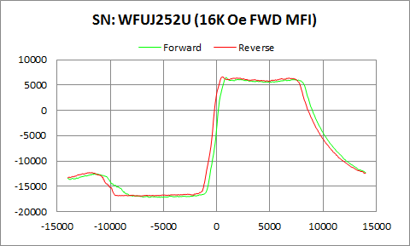

WFUJ252U | Forward |  | Reverse
 | Ampl | Field | Ampl | Field
50% Roll-off Field | -5354.5935 | 10278.721327 | -5148.272 | 9827.8341113
P1 Switching Field | -12521.69 | -11549.61 | -12260.56 | -12001.03

Others | 0.19720928445 | 0.19919075562

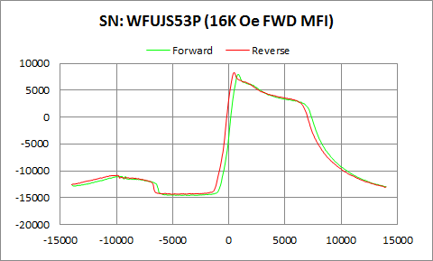

WFUJS53P | Forward |  | Reverse
 | Ampl | Field | Ampl | Field
50% Roll-off Field | -3336.318 | 7910.9114354 | -3042.3385 | 7467.1563884
P1 Switching Field | -11028.17 | -9599.602 | -10788.54 | -9951.287

Others | 0.15873725916 | 0.15830940869

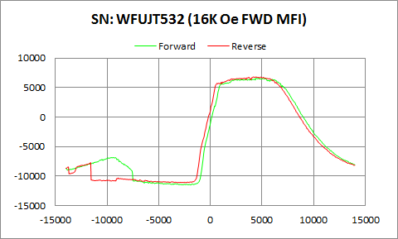

WFUJT532 | Forward |  | Reverse
 | Ampl | Field | Ampl | Field
50% Roll-off Field | -2451.787 | 9931.0848115 | -2148.9805 | 9472.7309132
P1 Switching Field | -6843.736 | -9450.005 | -7705.962 | -11599.48

Others | 0.18855504112 | 0.25926602305

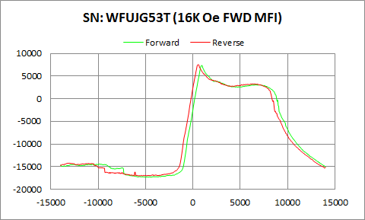

WFUJG53T | Forward |  | Reverse
 | Ampl | Field | Ampl | Field
50% Roll-off Field | -4982.4855 | 9628.2859101 | -4741.1825 | 9183.635412
P1 Switching Field | -14410.67 | -9848.931 | -14190.31 | -13050.83

Others | 0.11473616743 | 0.11922583429

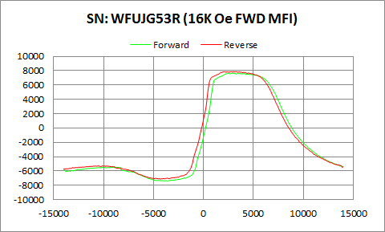

WFUJG53R | Forward |  | Reverse
 | Ampl | Field | Ampl | Field
50% Roll-off Field | 125.65 | 8790.299002 | 378.8815 | 8365.0753055
P1 Switching Field | -5458.766 | -9100.945 | -5282.224 | -9599.602

Others | 0.1218282182 | 0.13128563056

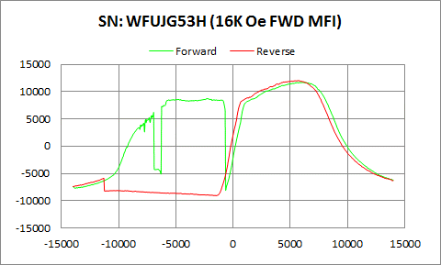

WFUJG53H | Forward |  | Reverse
 | Ampl | Field | Ampl | Field
50% Roll-off Field | 1827.3115 | 9440.6416471 | 1471.86 | 9161.4503353
P1 Switching Field | 8546.725 | -5200.92 | -5887.709 | -11300.29

Butterfly | 0.16170661992 | 0.78654383127

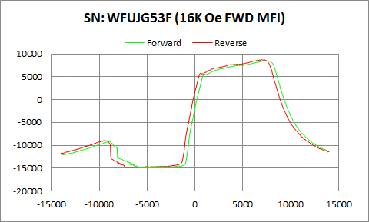

WFUJG53F | Forward |  | Reverse
 | Ampl | Field | Ampl | Field
50% Roll-off Field | -3198.354 | 9902.447945 | -3040.3895 | 9460.50127
P1 Switching Field | -9193.003 | -9001.213 | -8946.687 | -9300.408

Others | 0.25050478639 | 0.24409219096

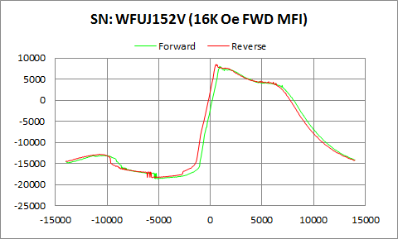

WFUJ152V | Forward |  | Reverse
 | Ampl | Field | Ampl | Field
50% Roll-off Field | -5287.851 | 9475.6296609 | -4931.423 | 9046.1021678
P1 Switching Field | -13058.75 | -11250.42 | -12806.21 | -10749.14

Others | 0.20760993217 | 0.2074653559

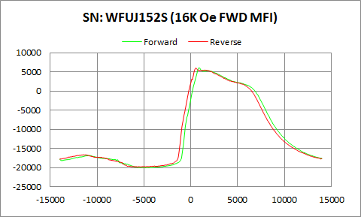

WFUJ152S | Forward |  | Reverse
 | Ampl | Field | Ampl | Field
50% Roll-off Field | -7015.0325 | 8428.8564901 | -6922.469 | 8028.8366977
P1 Switching Field | -16848.89 | -10848.87 | -16622.95 | -11400.02

Others | 0.12278037945 | 0.12491331329

